ART
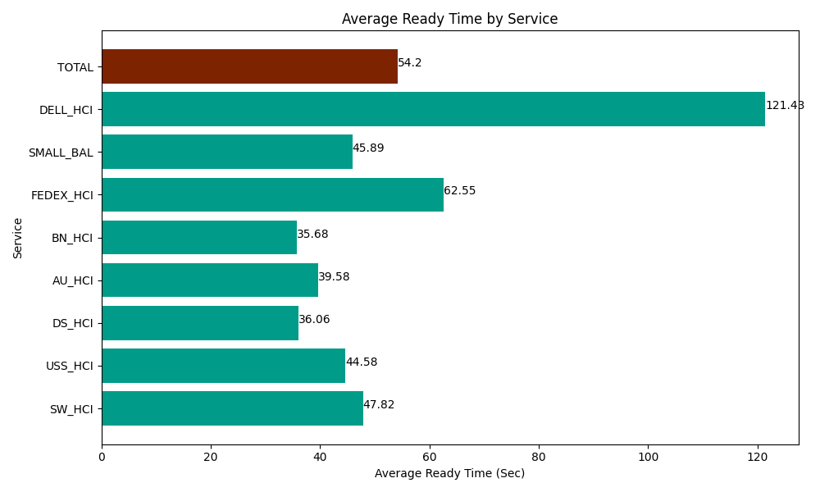
Date | Service | Successful Op Transfer | In Call (Sec) | Ready (Sec) | Wrapup (Sec) | Not Ready (Sec) | Average Ready Time (Sec)
03-15-2024 | SW_HCI | 152 | 7438.2000732 | 7269.0000916 | 12993.000183 | 6116.9998169 | 47.82
03-15-2024 | USS_HCI | 403 | 46065 | 17965.200806 | 68883.00293 | 43060.799561 | 44.58
03-15-2024 | DS_HCI | 860 | 51673.198242 | 31014.001465 | 101974.79736 | 96166.201172 | 36.06
03-15-2024 | AU_HCI | 154 | 7435.8000183 | 6094.8001099 | 12382.800293 | 2882.9999542 | 39.58
03-15-2024 | BN_HCI | 408 | 25665 | 14557.800293 | 55993.798828 | 28291.199341 | 35.68
03-15-2024 | FEDEX_HCI | 51 | 5383.8002014 | 3190.1998901 | 1858.1999588 | 2341.7999268 | 62.55
03-15-2024 | SMALL_BAL | 304 | 19576.799927 | 13950 | 34485 | 37714.200439 | 45.89
03-15-2024 | DELL_HCI | 95 | 7831.7999268 | 11536.200256 | 27582.000732 | 12601.799927 | 121.43
 | TOTAL | 2427 | 171069.59839 | 105577.20291 | 316152.60029 | 229176.00014 | 54.2

